DependencyFailureLogQuery
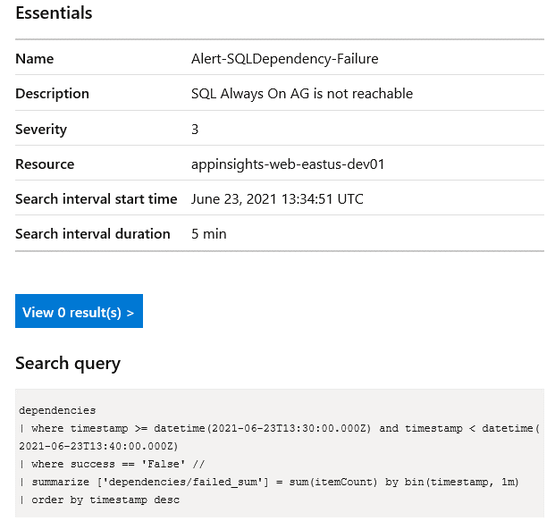
dependencies | where timestamp >= datetime(2021-06-23T13:30:00.000Z) and timestamp < datetime(2021-06-23T13:40:00.000Z) | where success == 'False' //| summarize ['dependencies/failed_sum'] = sum(itemCount) by bin(timestamp, 1m) | order by timestamp desc

